Sheet1
CS4700 Duc Nguyen's Final Project Daily Report
Date | What did I do? | Screenshots
2023-03-13 | As PM, I begin setting up a schedule organizer on lettucemeet.com to get everyone free time to begin planning for our future meeting and collaboration schedule | 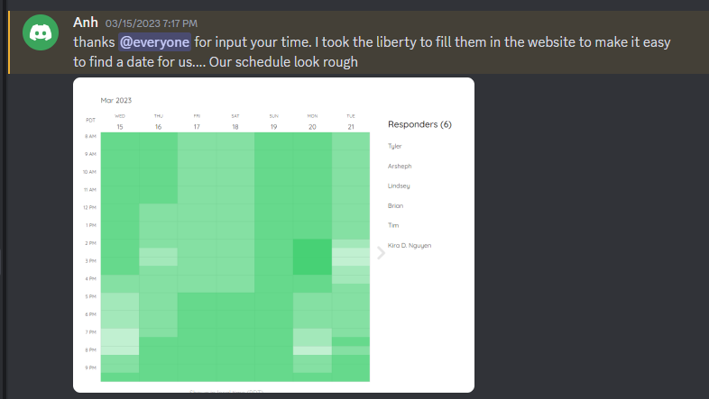
2023-03-14
2023-03-15
2023-03-16 | I set up a meeting time, create some documents and deadlines so everyone can start working on selecting their role, the group's name and input some thought about what game's genre/type the group should make.
2023-03-17
2023-03-18
2023-03-19 |  |  | 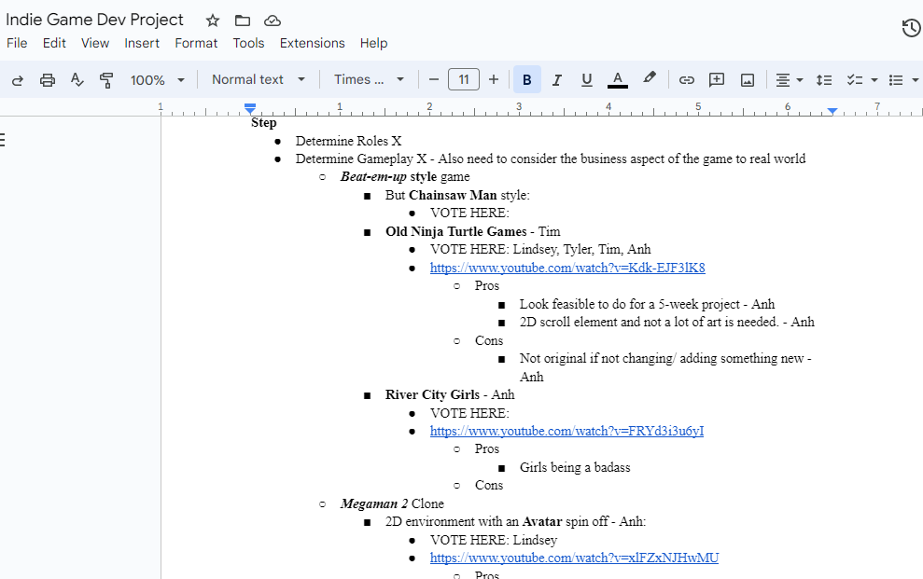
2023-03-20 |  | 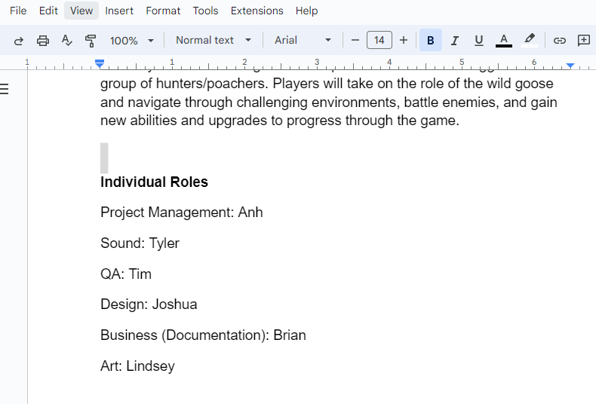
2023-03-21
2023-03-22
2023-03-23 |  | 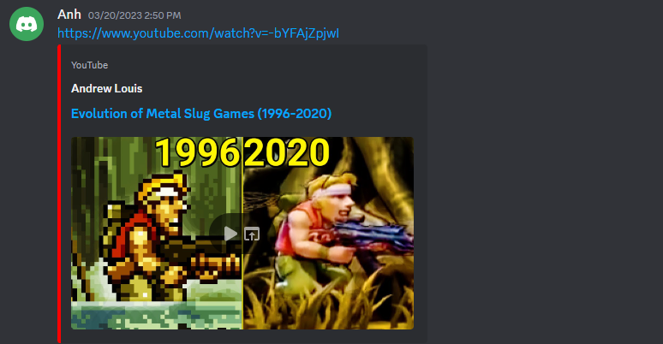 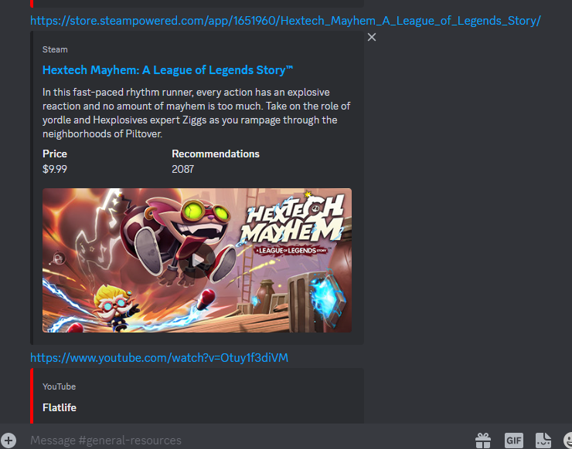
2023-03-24 |  | 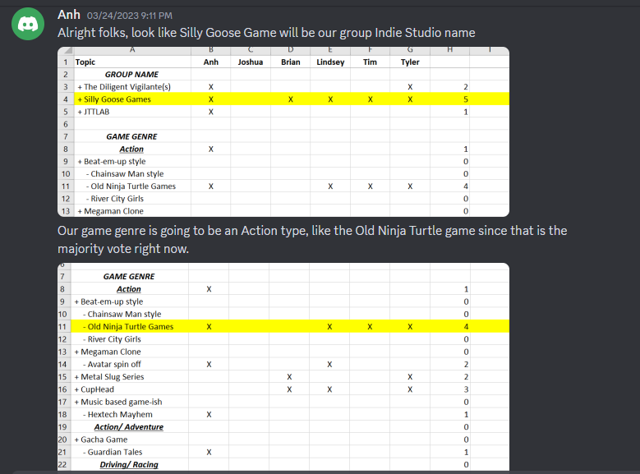
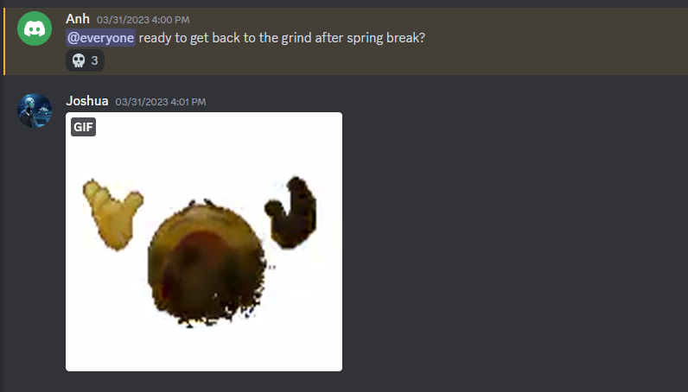
2023-03-25
2023-03-26
2023-03-27
2023-03-28
2023-03-29
2023-03-30
2023-03-31
2023-04-01
2023-04-02
2023-04-03
2023-04-04
2023-04-05
2023-04-06
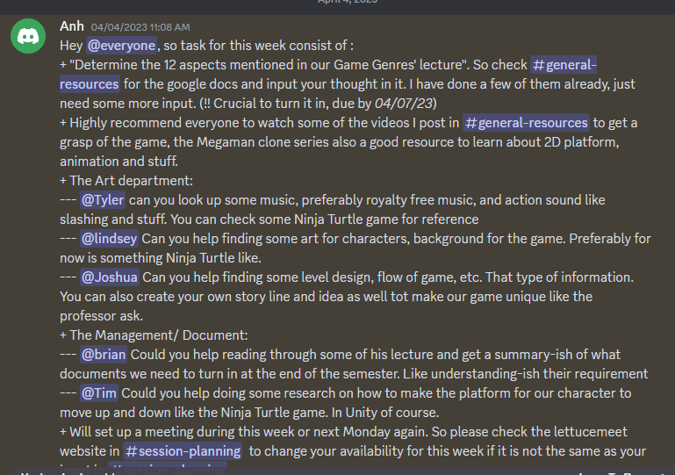
2023-04-07
2023-04-08
2023-04-09
2023-04-10
2023-04-11
2023-04-12
2023-04-13
2023-04-14
2023-04-15
2023-04-16
2023-04-17
2023-04-18
2023-04-19
2023-04-20
2023-04-21
2023-04-22
2023-04-23
2023-04-24
2023-04-25
2023-04-26
2023-04-27
2023-04-28
2023-04-29
2023-04-30
2023-05-01
2023-05-02
2023-05-03
2023-05-04
2023-05-05
2023-05-06
2023-05-07
2023-05-08
2023-05-09
2023-05-10
2023-05-11
2023-05-12
2023-05-13
2023-05-14
2023-05-15

